Master
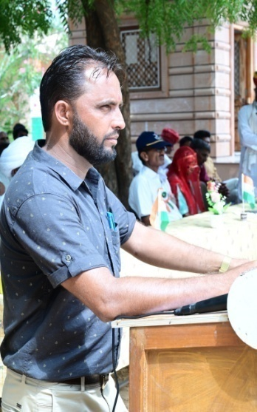
t; fgUn |  |  | oUns ekrje~ |  | t; fgUn

RESULT PREPARATION PROGRAM |  |  |  | 108 | School Logo ®
 |  |  |  |  |  | Subject Detail |  | Staff Detail
SESSION | :- | 2022-23 |  |  |  | Sr. No. | Subject's Name | Sr. No. | Name | Sr. No. | Name
 |  |  |  |  |  | 1 | Hindi | 1 | A | 0
SCHOOL'S FULL NAME | :- | Govt.Sr.Sec.Sch. Raimalwada |  |  |  | 2 | English | 2 | B | 0
 |  |  |  |  |  | 3 | Mathematics | 3 | C | 0
 |  |  |  |  |  | 4 | Env. Study | 4 | D | 0 |  | CREATOR:-
ADDRESS | :- | P.S.-Bapini (Jodhpur) |  |  |  | 5 | ART EDU. | 5 | E | 0
 |  |  |  |  |  | 6 | H&P. EDU. | 0 |  | 0 |  | UMMED TARAD
 |  |  |  |  |  | 7 | WORK EXP. | 0 |  | 0
U-DISE CODE | :- | 0810000000 |  |  |  | 0 |  | 0 |  | 0 |  | (GSSS RAIMALWADA)
 |  |  |  |  |  | 0 |  | 0 |  | 0 |  | MOBILE NO.-9166973141
NAME OF PRINCIPAL | :- |  |  |  |  | 0 |  | 0 |  | 0
 |  |  |  |  |  | 0 |  | 0 |  | 0 |  | EMAIL ID-ummedtrdedu@gmail.com
SCHOOL TYPE | :- | Sr. Secondary |  |  |  | 0 |  | 0 |  | 0
 |  |  |  |  |  | 0 |  | 0 |  | 0 |  | Update On :- 07-04-2023
Result Date | :- | 2023-05-02 |  |  |  | 0 |  | 0 |  | 0

