Help
For Help
For Help watch the video o my Youtube Channel
https://youtu.be/QWmVZqxh1yE
OR search the youtube channel "Learn with ummed tarad"
Click Here
For More Help ☞
नोट:-हालाँकि यह प्रोग्राम पूर्णतया सावधानी के साथ बनाया गया है फिर भी किसी त्रुटि की स्थिति में आपके विवेक के साथ विभागीय नियम ही अंतिम रूप से मान्य होंगे, इसे अंतिम रूप देने से पहले अच्छी तरह से अवश्य जाँच लेवें और ज्यादा जानकारी के लिए उपर Click Here बटन पर क्लिक करें. किसी प्रकार की हेल्प हेतु निर्माणकर्त्ता को कॉल नहीं करें.

Master
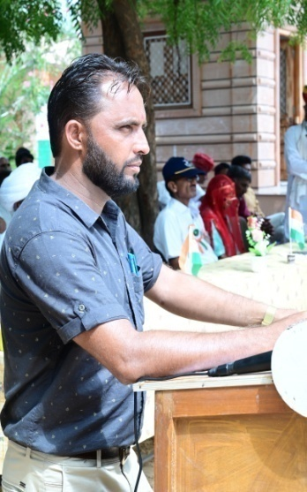
t; fgUn |  |  | oUns ekrje~ |  | t; fgUn

RESULT PREPARATION PROGRAM |  |  |  | 108 | School Logo ®
 |  |  |  |  |  | Subject Detail |  | Staff Detail
SESSION | :- | 2022-23 |  |  |  | Sr. No. | Subject's Name | Sr. No. | Name | Sr. No. | Name
 |  |  |  |  |  | 1 | Hindi | 1 | A | 0
SCHOOL'S FULL NAME | :- | Govt.Sr.Sec.Sch. Raimalwada |  |  |  | 2 | English | 2 | B | 0
 |  |  |  |  |  | 3 | Mathematics | 3 | C | 0
 |  |  |  |  |  | 4 | Env. Study | 4 | D | 0 |  | CREATOR:-
ADDRESS | :- | P.S.-Bapini (Jodhpur) |  |  |  | 5 | ART EDU. | 5 | E | 0
 |  |  |  |  |  | 6 | H&P. EDU. | 0 |  | 0 |  | UMMED TARAD
 |  |  |  |  |  | 7 | WORK EXP. | 0 |  | 0
U-DISE CODE | :- | 0810000000 |  |  |  | 0 |  | 0 |  | 0 |  | (GSSS RAIMALWADA)
 |  |  |  |  |  | 0 |  | 0 |  | 0
NAME OF PRINCIPAL | :- |  |  |  |  | 0 |  | 0 |  | 0
 |  |  |  |  |  | 0 |  | 0 |  | 0 |  | EMAIL ID-ummedtrdedu@gmail.com
SCHOOL TYPE | :- | Sr. Secondary |  |  |  | 0 |  | 0 |  | 0
 |  |  |  |  |  | 0 |  | 0 |  | 0 |  | Update On :- 21-04-2023
Result Date | :- | 2023-05-02 |  |  |  | 0 |  | 0 |  | 0

