Master
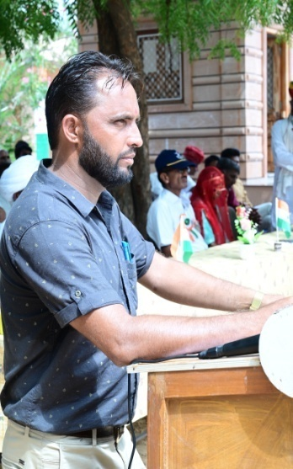
t; fgUn |  |  | oUns ekrje~ |  |  |  | t; fgUn

RESULT PREPARATION PROGRAM |  |  |  | 108 | School Logo ®
 |  |  |  | Subject Detail |  | Staff Detail
SESSION | :- | 2022-23 |  | Sr. No. | Subject's Name | Sr. No. | Teacher's Name | Sr. No. | Teacher's Name
 |  |  |  | 1 | HINDI | 1 | A | 0
SCHOOL'S FULL NAME | :- | Govt. Sr. Secondary School Raimalwada |  | 2 | ENGLISH | 2 | B | 0
 |  |  |  | 3 | SANSKRIT | 3 | C | 0
 |  |  |  | 4 | SCIENCE | 4 | D | 0 |  | CREATOR:-
ADDRESS | :- | P.S.-Bapini (Jodhpur) |  | 5 | MATHEMATICS | 5 | E | 0
 |  |  |  | 6 | SOCIAL SCIENCE | 6 | F | 0 |  | UMMED TARAD
 |  |  |  | 7 | Work Exp. | 7 | G | 0
U-DISE CODE | :- | 08151106901 |  | 8 | Art Edu. | 0 |  | 0 |  | (GSSS RAIMALWADA)
 |  |  |  | 9 | H&P Edu. | 0 |  | 0 |  | MOBILE NO.-9166973141
NAME OF PRINCIPAL | :- |  |  | 0 |  | 0 |  | 0 |  | EMAIL ID-ummedtrdedu@gmail.com
 |  |  |  | 0 |  | 0 |  | 0 |  | Update On :- 05-04-2023
SCHOOL TYPE | :- | Sr. Secondary |  | 0 |  | 0 |  | 0
 |  |  |  | 0 |  | 0 |  | 0
Result Date | :- | 2023-04-25 |  | 0 |  | 0 |  | 0

