utility
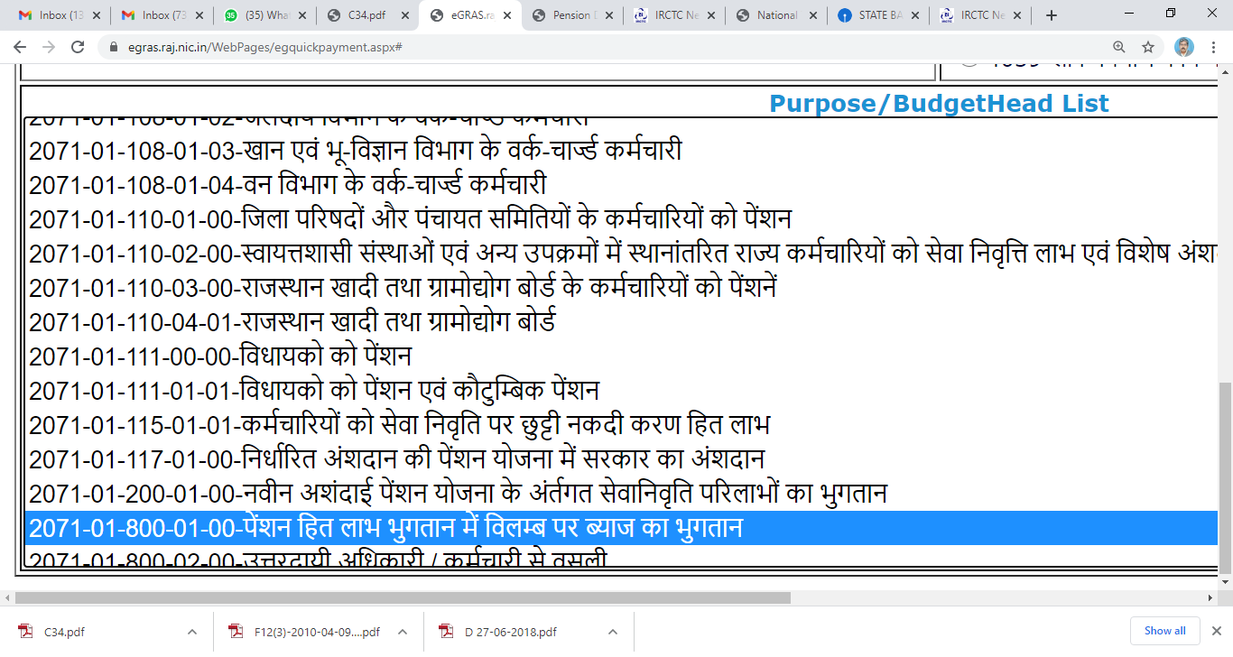

V pay | 6583
VI pay | 12244
VII pay | 31467

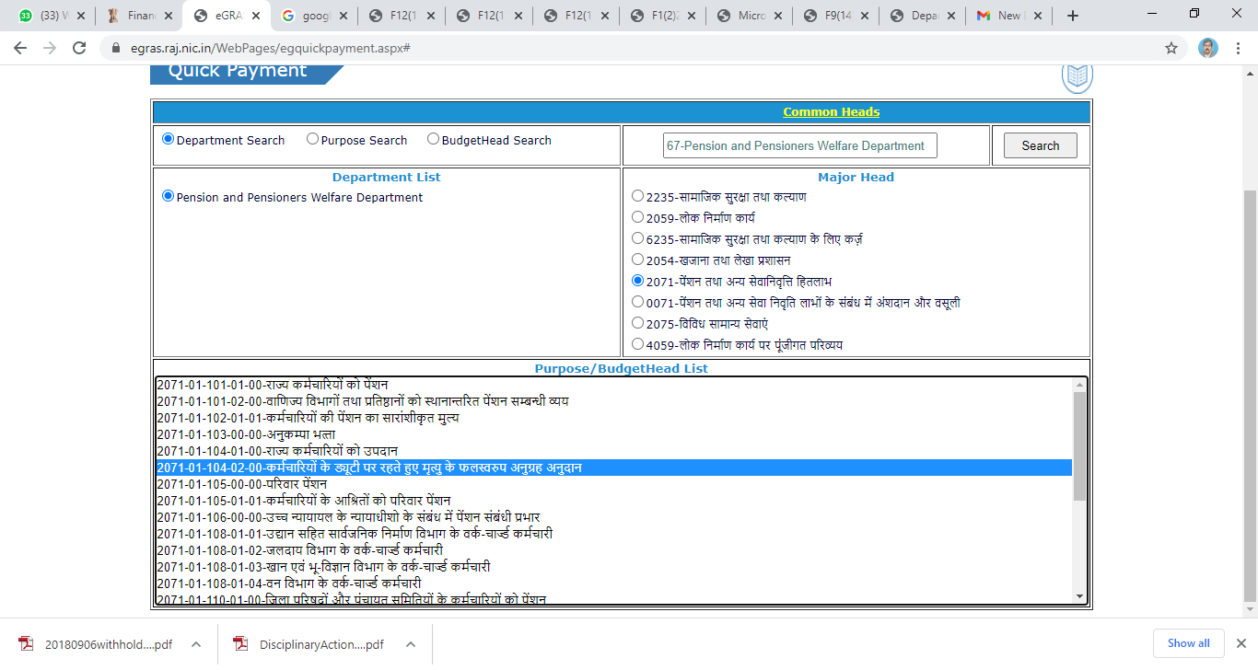

2015-02-01 | 2015-05-02 | 91 | 0 | 2 | 30

